INQUIRY
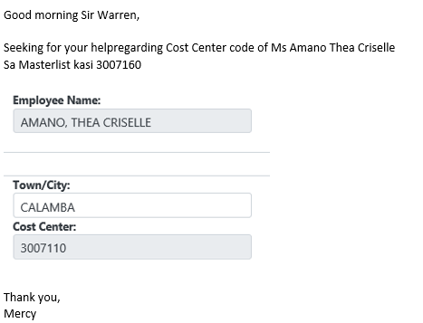

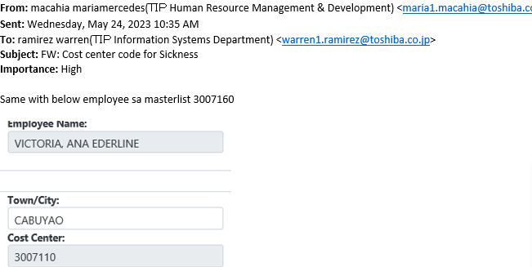

INVESTIGATION
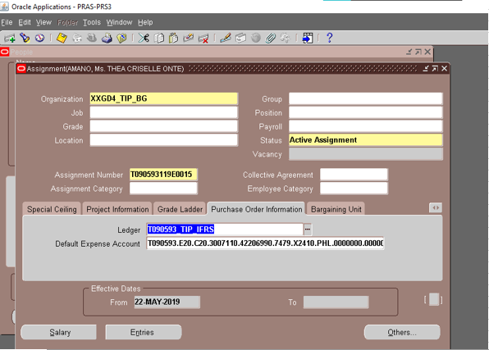
Cost Center in PRAS is not updated.

ACTUAL OPERATION
 | FYI: We encountered an error while updating the cost center of the requestor because the effective dates of the assignments do not match
 | the creation date of the code combination for the new cost center. The error occurred because the effective dates are older than the creation date of the code combinations.
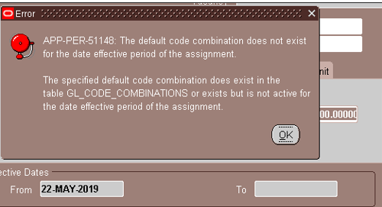

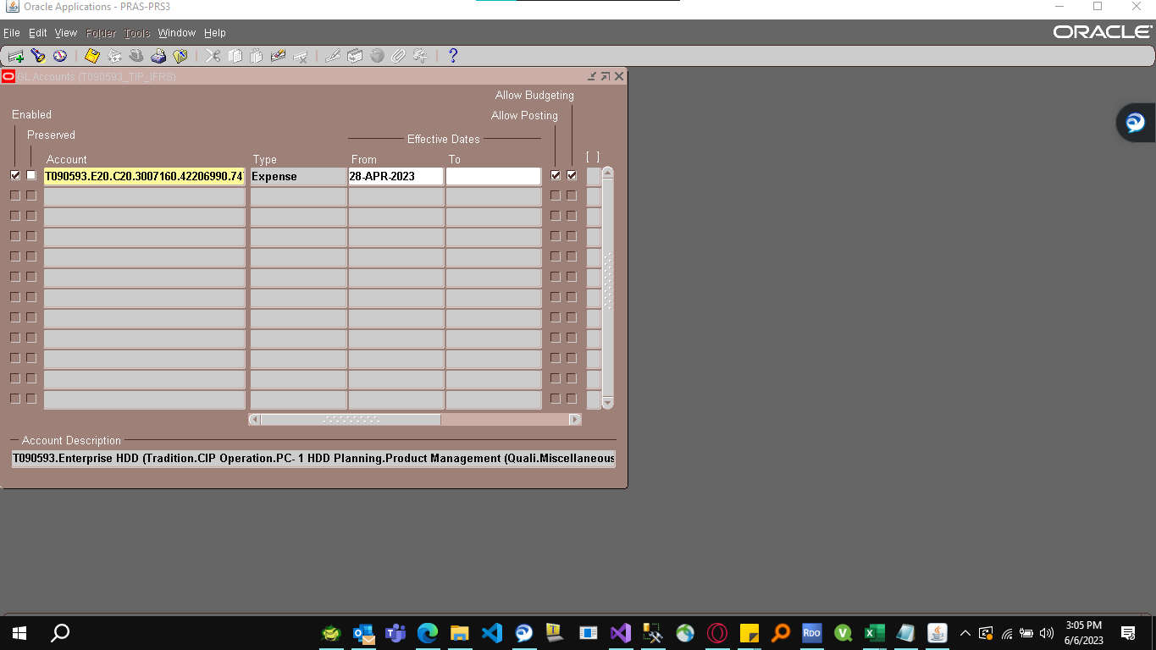

The error occurred because the creation date of this code combination is earlier than the effective dates of the requestor's assignment.

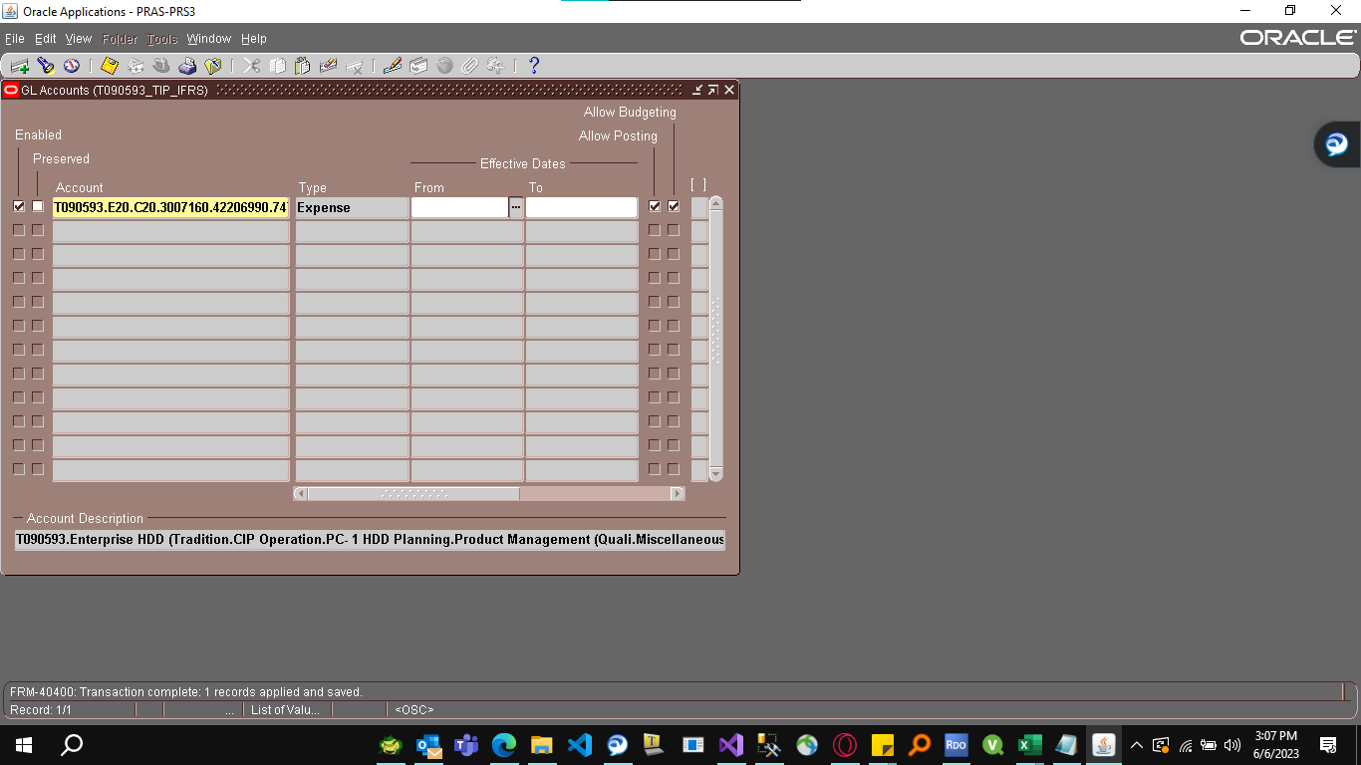

So what we did is we just clear the start date of the code combination.
We resolved the issue by clearing the start date of the code combination.

 |  |  | THEN WE GO BACK TO ENTER AND MAINTAIN

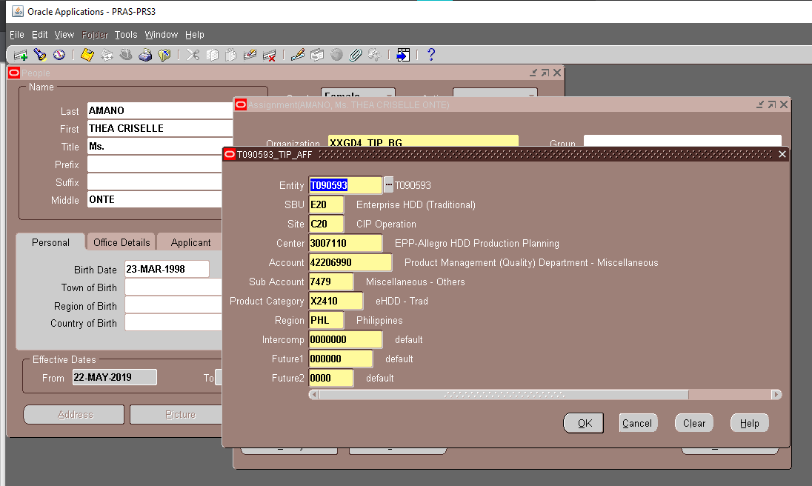

THEN WE JUST CHANGE THE COST CENTER TO THE CORRECT VALUE.

 |  |  |  |  | NAVIGATION OF THE PROGRAM

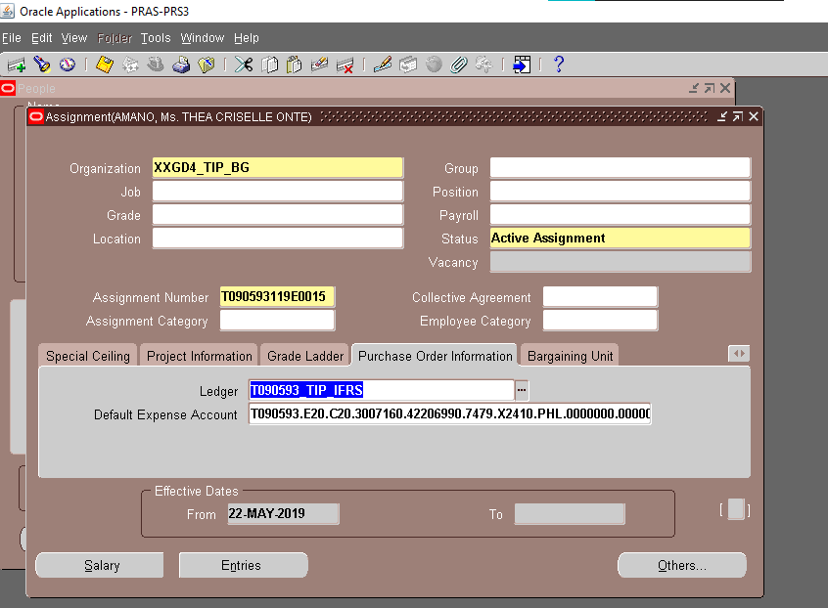

WE HAVE SUCCESSFULLY UPDATED THE COST CENTER WITHOUT ANY ERRORS.

 |  | Next, we check if the code combination exists here. Initially, the code combination is not yet set up in XXTIP_GL_CODE_COMBINATION.
 |  | USE THE ADDITIONAL KEY COLUMN TO SEARCH THE CODE COMBINATION. (COSTCENTER.SITE)

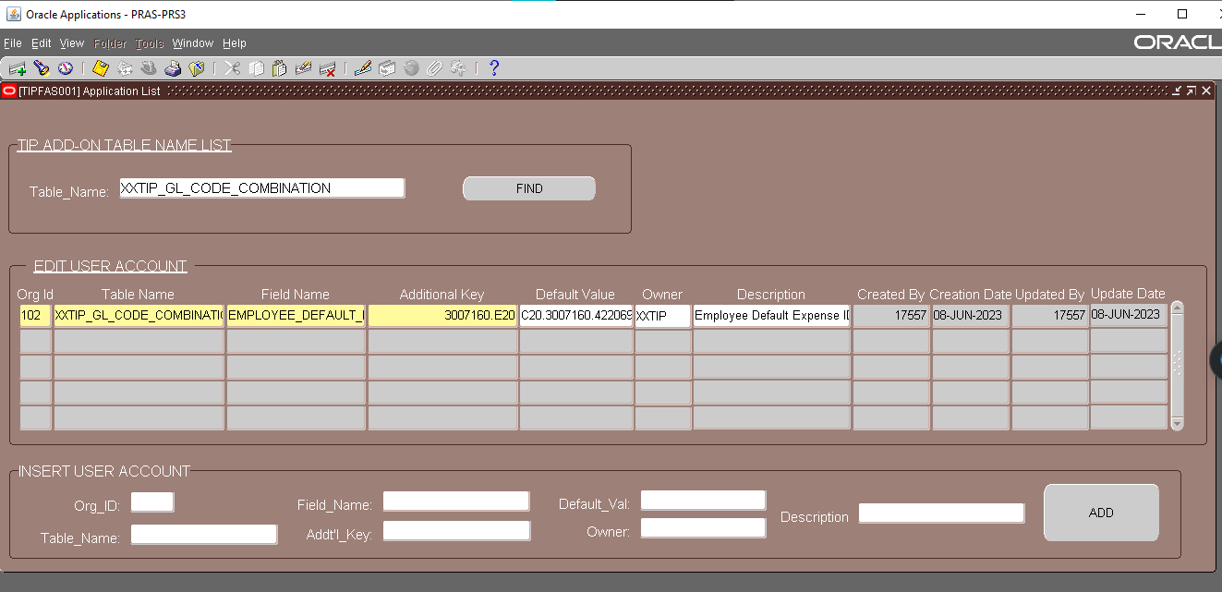
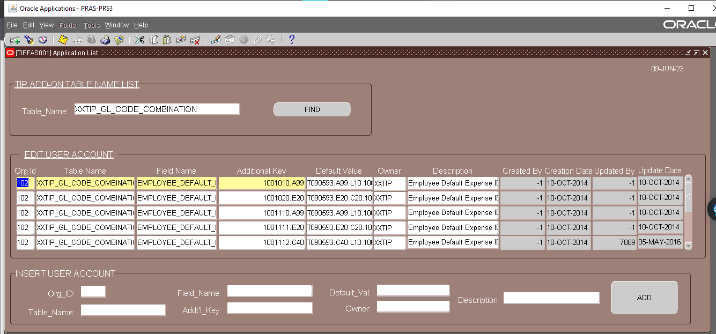

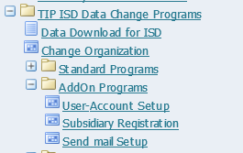

 |  |  |  | NAVIGATION OF THE PROGRAM

While setting up the code combination, I encountered a problem with the character limit of the 'DEFAULT_VAL' text field. To work around this, I entered half of the code combination, clicked 'Add,' and later searched for the code combination to add the remaining portion. Finally, I clicked 'Save' to complete the process.

AFTER ALL THE STEPS, WE WAIT FOR THE (TAPSS001) TO RUN TO UPDATE THE FLAG STATUS AND AUTOMATICALLY UPDATE THE COST CENTER IN PER_ALL_PEOPLE_F TABLE

Sheet1
